Challenge
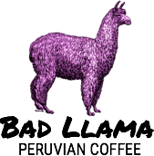 | CUSTOMER INVOICE Bad Llama Peruvian Coffe 2121 14th Avenue Circle Drive Raleigh, NC 27607 |  | Invoice #: 40592 Date: 7/17/15 | Run the Spell Check to correct any spelling errors in the workbook. Correct the words coffe and medum using the suggested spelling. Ignore the spelling suggestion for the word Amanecer.
ITEM DESCRIPTION | UNIT PRICE | QUANTITY | LINE TOTAL
Cusco Dark Roost | $6.59 | 3 | $19.77
Amazon Amanecer Breakfast Roast | $6.89 | 8 | $55.12
Sacred Valley Medum Roast | $6.49 | 10 | $64.90
Machu Picchu Special Blend | $7.29 | 2 | $14.58
 |  | TAX: | $11.58
 |  | TOTAL: | $165.95

